Planilha1
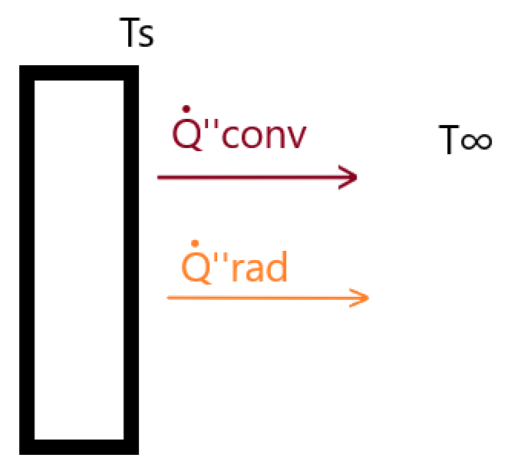
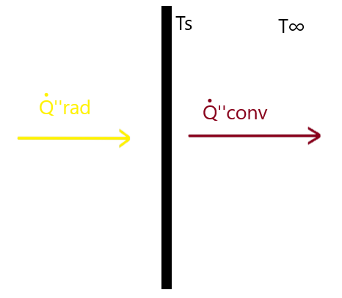
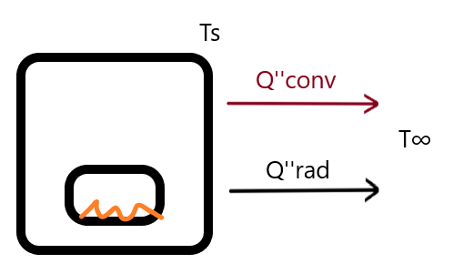
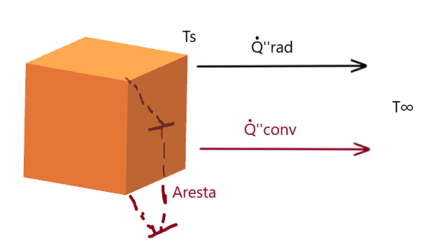
Ts = | 75 | °C
T∞ = | 32 | °C | Q''rad = | 1000 | W/m² | T∞ = | 25 | °C
e = | 0.7 |  | T∞ = | 28 | °C | h = | 10 | W/(m².K) | Ts = | 37 | °C
h = | 15 | W/(m².K) | h = | 27 | W/(m².K) | Ts = | 60 | °C | h = | 15 | W/(m².K)
 |  |  |  |  |  | e = | 0.75 |  | T∞ = | 22 | °C
Q''conv = | 645 | W/m² | Ts = | 65.037037 | °C | A = | 3.5 | m² | Aresta = | 130 | cm
Q''rad = | 238.9653505 | W/m² |  |  |  |  |  |  | e = | 0.8
 |  |  |  |  |  | Q''rad = | 187.81168 | W/m²
Q''liq = | 883.96535 | W/m² |  |  |  | Q''conv = | 350.00000 | W/m² | Q''conv = | 225.00000 | W/m²
 |  |  |  |  |  | Qtotal = | 1.88234 | kW | Qtot = | 2539.17505 | W

